Product
PT. NUTRIFOOD INDONESIA |  |  | KODE FORM : F.Q.201


PENGEMBANGAN KONSEP AWAL PRODUK BARU
( PKP )
Tropicana Slim
Salted Egg Low Sodium Powder (Salty)
Author |  | : | Annice
Last Updated On |  | : | 2020-08-05
 | Revision No | : | 0
Background
Idea | Tropicana Slim Salted Egg Low Sodium
Target market | MF 25+ Upper 1,2
Uniqueness of idea | weak - moderate - strong
Estimated potential market | niche - in between - mass
Reason(s) | Due to Covid, cooking & baking are rising. People tend to cook at home and experimenting new recipes. Salted Egg is one of tasty menu that have "non healthy food" perception - high sodium, high fat, high cholesterol
Market Analysis
Launch Deadline | 2021
Aisle Placement | Aisle Bumbu Instan
Sales Forecast | Rp150,000,000

NF Selling Price | Rp9,000
Consumer Price Target | Rp11,091

Main Competitor | Knorr, Royco Salted Egg
Competitive Analysis | TBN
Product Features
Product Form | Salted egg powder
Product Packaging | Box @5s 25 gr
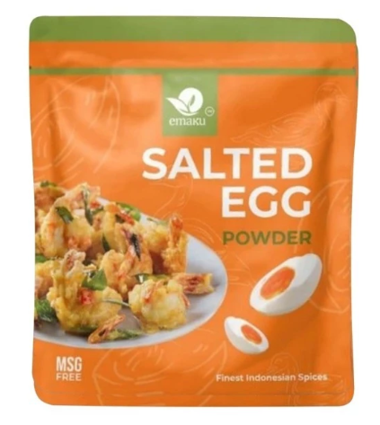
Kategori Pangan (BPOM)
Prefered Flavour | Salted egg
Product Benefits | Less sodium
 | Less Fat
 | Sugar Free

Mandatory Ingredients | salted egg flavor
Related Picture | tempting salted egg

ATTENTION!
 | compulsory; filled by QBX (brand function) Managers
 | should only be filled with great certainty
 | should only be filled after discussion with QPA
Service Level Agreements | Lead Time QBX (brand function) |  | 5 workdays
 | Lead Time QPA (product development function) |  | [1 (benefits) + 2 (COGS)] = 2 workdays
 | Lead Time Revision |  | 2 workdays
Processes | After being filled. HOD approval request. Then, forward to RD as low priority project. Will be further prioritized in PV Cross Funct Mtg. Meanwhile, RD can prepare SLA projection to propose into PV's SLA for the project based on capacity and feasibility.

 |  |  | Revisi / Berlaku : 04 / 24.02.10
 |  |  | Lama Simpan : Selamanya

Market
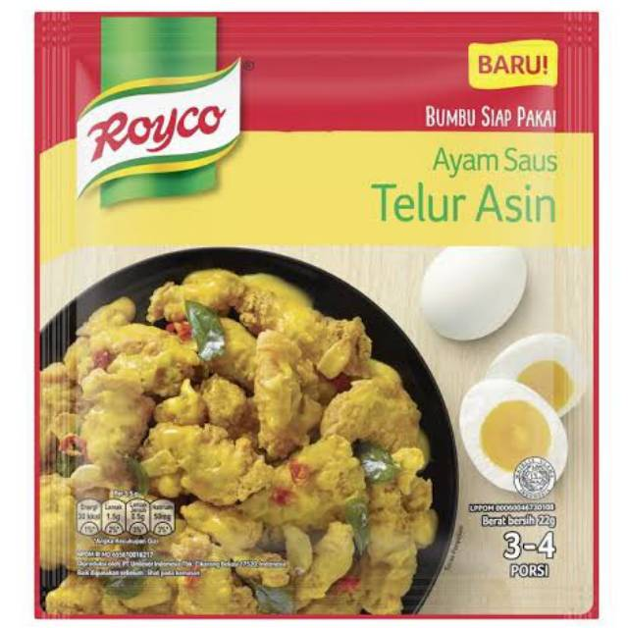
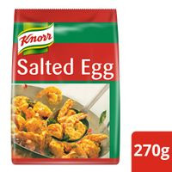
Salted Egg Powder
Merk | Harga | gram | Harga/gram | Harga per 25 gr
Emaku Salted Egg Powder MSG Free 16 g | Rp10,000 | 16 | 625.0 | Rp15,625
Royco Ayam Saus Telur Asin 22 g | Rp7,000 | 22 | 318.2 | Rp7,955
Knorr Golden Salted Egg Powder 270 g | Rp104,700 | 270 | 387.8 | Rp9,694
 |  |  | HET Avg | Rp11,091
 |  |  | Price List | Rp8,873
 |  |  | Bulatkan | Rp9,000

Market Potency
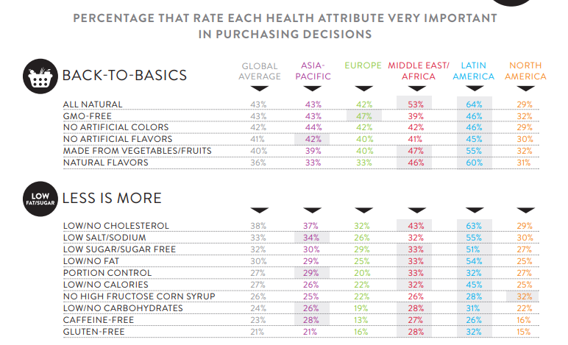
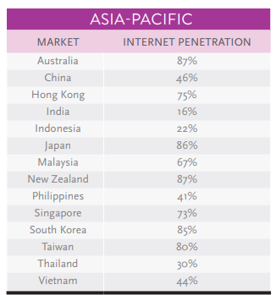
Jumlah penduduk Indonesia |  | 267,000,000
SES SU, U12 |  | 30% | Indonesian population
F, 25-50 |  | 38% | Indonesian population
Suka Memasak |  | 87%
Memasak menggunakan bumbu instan |  | 70% | *based on survey Jakpat Jun 2020
Menggunakan bumbu instan salted egg |  | 10%
Healthy Concern |  | 30%
Choose Tropicana Slim |  | 10%

Target market TS |  | 55,610 | persons

Consume TS
- 1 pack per bulan |  | 55,610 | portion

Price TS |  | IDR 9,000 | per portion

Sales potency |  | IDR 166,830,678 | per month

 | Pembulatan | IDR 150,000,000

 |  |  |  | 464982 | 883883
 |  |  |  | 524826
 |  |  |  | 509726 | 6947659
 |  |  |  | 451364
 |  |  |  | 380792 | 10177924
 |  |  |  | 323266 | 3230265
 |  |  |  | 323266 | 68%
 |  |  |  | 267752
 |  |  |  | 284080
 |  |  |  | 375893
 |  |  |  | 2916139
 |  |  |  | 27.3%

